20145-15 Exports
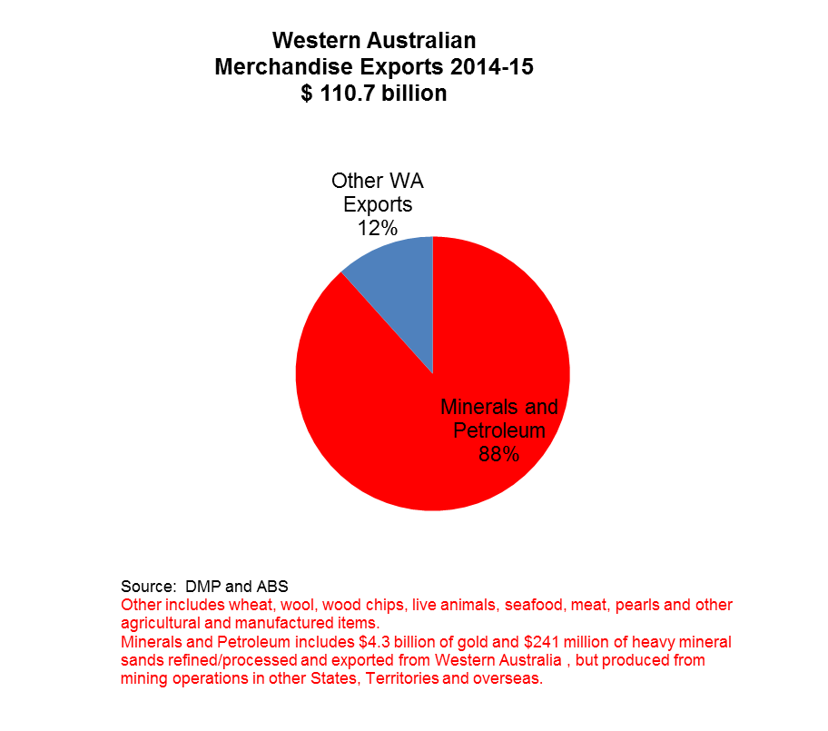
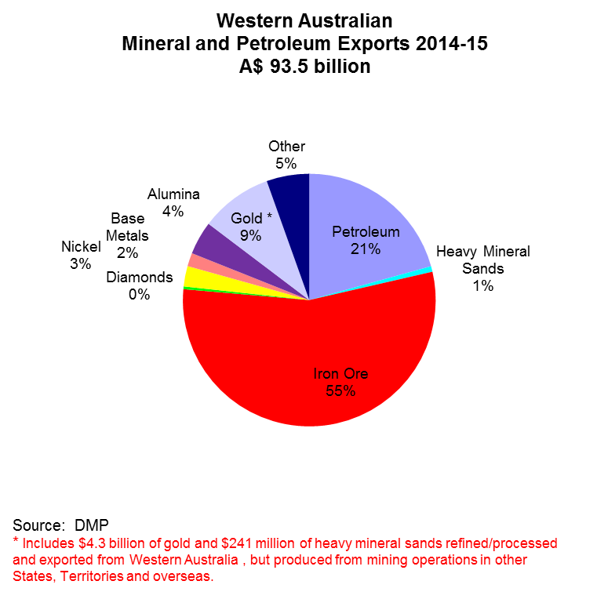
Western Australian Mineral and Petroleum Exports 2014-15 A$ 93.5 billion
Petroleum | 20.23348603 | 20.23348603
Heavy Mineral Sands | 0.695050836 | 0.695050836
Iron Ore | 53.76454545 | 53.76454545
Diamonds | 0.337192175 | 0.337192175
Nickel | 2.555614142 | 2.555614142
Base Metals | 1.668897993 | 1.668897993
Alumina | 4.174243446 | 4.174243446
Gold * | 9.0208 | 9.0208
Other | 5.341586799 | 5.341586799

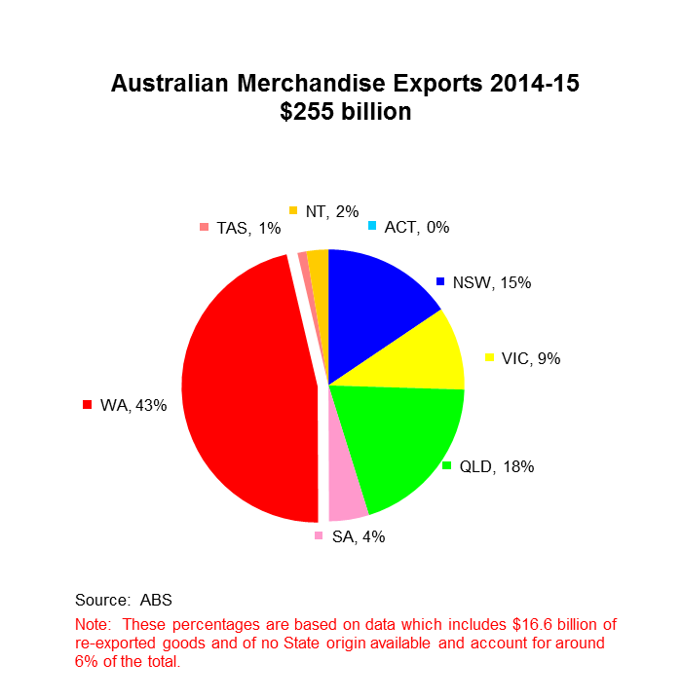
Western Australian Merchandise Exports by Country 2014-15 $111 billion
Malaysia | 2054
China | 55037
Thailand | 1898
Japan | 20923
Taiwan | 1637
South Korea | 8272
Indonesia | 1640
Singapore | 5188
India | 1824
Other | 12223

