Data Sources
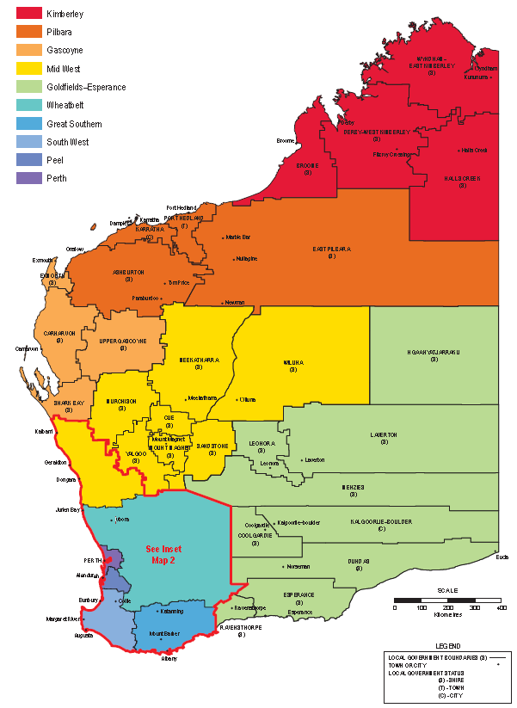
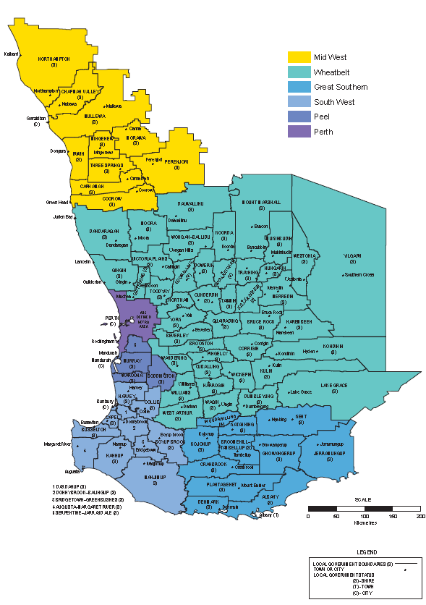
Category | Source

All Data sourced from DMIRS.

Value by Region - Pie Graph
Value of Mineral and Petroleum, by Region, 2017-18 Total: $115 Billion
Region | Value
Pilbara | 62,381,723,602
Offshore | 26,549,261,134
Goldfields-Esperance | 11,504,899,684
Perth Metropolitan | 4,897,863,455
Mid West | 3,496,429,410
South West | 2,691,937,985
Wheatbelt | 1,416,297,091
Peel | 1,556,308,032 | Value of Mineral and Petroleum, by Region, 2017-18 Total: $115 Billion
Kimberley | 363,732,095
Gascoyne | 83,861,349 |  | Total Value by Region in 2017-18 Total: $115 billion
Great Southern | 8,063,838 |  | 115.0
Total | 114,950,377,676

Mineral Titles in Force
 | 8212 | 1099.7 | 7525 | 992 | 6242 | 809 | 5827 | 745.021 | 5512 | 711.3 | 4964 | 634.464 | 4566 | 575 | 4561 | 568 | 4665 | 586 | 5056 | 638 | 5376 | 682 | 6260 | 800 | 7110 | 913 | 7032 | 890 | 7106 | 897 | 7265 | 910 | 6834 | 851 | 6605 | 825 | 6018 | 741 | 5252 | 647 | 5335 | 669 | 5257 | 660 | 0 | 0 | 0 | 0 | 0 | 0 | 0 | 0 | 0 | 0 | 0 | 0 | 0 | 0 | 0 | 0 | 0 | 0 | 0 | 0
 | 1996 |  | 1997 |  | 1998 |  | 1999 |  | 2000 |  | 2001 |  | 2002 |  | 2003 |  | 2004 |  | 2005 |  | 2006 |  | 2007 |  | 2008 |  | 2009 |  | 2010 |  | 2011 |  | 2012 |  | 2013 |  | 2014 |  | 2015 |  | 2016 |  | 2017 |  | 0 |  | 0 |  | 0 |  | 0 |  | 0 |  | 0 |  | 0 |  | 0 |  | 0 |  | 0

 | 1996-97 |  | 1997-98 |  | 1998-99 |  | 1999-00 |  | 2000-01 |  | 2001-02 |  | 2002-03 |  | 2003-04 |  | 2004-05 |  | 2005-06 |  | 2006-07 |  | 2007-08 |  | 2008-09 |  | 2009-10 |  | 2010-11 |  | 2011-12 |  | 2012-13 |  | 2013-14 |  | 2014-15 |  | 2015-16 |  | 2016-17 |  | 2017-18
 | Number | '000 ha | Number | '000 ha | Number | '000 ha | Number | '000 ha | Number | '000 ha | Number | '000 ha | Number | '000 ha | Number | '000 ha | Number | '000 ha | Number | '000 ha | Number | '000 ha | Number | '000 ha | Number | '000 ha | Number | '000 ha | Number | '000 ha | Number | '000 ha | Number | '000 ha | Number | '000 ha | Number | '000 ha | Number | '000 ha | Number | '000 ha | Number | '000 ha
Prospecting Licences | 8,212 | 1,100 | 7,525 | 992 | 6,242 | 809 | 5,827 | 745 | 5,512 | 711 | 4,964 | 634 | 4,566 | 575 | 4,561 | 568 | 4,665 | 586 | 5,056 | 638 | 5,376 | 682 | 6,260 | 800 | 7,110 | 913 | 7,032 | 890 | 7,106 | 897 | 7,265 | 910 | 6,834 | 851 | 6,605 | 825 | 6,018 | 741 | 5,252 | 647 | 5,335 | 669 | 5,257 | 660
Exploration Licences | 4,718 | 38,279 | 4,505 | 35,993 | 3,463 | 23,732 | 3,394 | 20,687 | 3,162 | 18,152 | 2,899 | 18,556 | 2,855 | 21,123 | 2,917 | 20,896 | 3,066 | 22,215 | 3,966 | 30,822 | 4,766 | 40,031 | 5,427 | 51,790 | 4,959 | 42,367 | 5,297 | 44,123 | 6,050 | 52,205 | 6,969 | 60,396 | 6,503 | 52,895 | 5,723 | 45,059 | 4,983 | 37,419 | 4,529 | 31,387 | 5,020 | 33,862 | 5,474 | 35,790
Mining Leases | 5,180 | 2,047 | 6,690 | 2,031 | 7,555 | 2,263 | 4,865 | 1,829 | 4,841 | 1,803 | 4,820 | 1,774 | 4,770 | 1,762 | 4,713 | 1,716 | 5,172 | 1,805 | 5,118 | 1,806 | 5,090 | 1,824 | 5,475 | 2,036 | 5,618 | 2,065 | 5,764 | 2,125 | 5,845 | 2,233 | 5,897 | 2,285 | 6,195 | 2,451 | 6,020 | 2,400 | 5,859 | 2,377 | 5,873 | 2,394 | 5,827 | 2,412 | 5,840 | 2,466
Other | 1,537 | 89 | 1,584 | 205 |  |  | 2,001 | 468 | 3,625 | 2,840 | 3,618 | 3,002 | 3,629 | 3,299 | 3,590 | 3,115 | 3,258 | 2,982 | 3,432 | 3,037 | 3,629 | 3,248 | 3,678 | 4,119 | 2,512 | 3,477 | 2,884 | 4,541 | 2,995 | 4,926 | 3,157 | 5,323 | 3,377 | 5,486 | 3,507 | 5,857 | 3,598 | 6,045 | 3,436 | 3,154 | 3,817 | 5,541 | 3,887 | 5,307
Mineral Claims & Other 1904 Act | 310 | 34 | 309 | 34 | 307 | 34 | 194 | 22 | 186 | 21 | 186 | 22 | 186 | 22 | 186 | 22 | 186 | 22 | 186 | 21 | 186 | 21 | 186 | 21 | 186 | 21 | 186 | 21 | 186 | 21 | 186 | 21 | 186 | 21 | 186 | 21 | 189 | 21 | 186 | 21 | 186 | 21 | 186 | 21
Total Mineral Tenements | 19,957 | 41,549 | 20,613 | 39,255 | 25,122 | 26,838 | 16,281 | 23,751 | 17,326 | 23,528 | 16,487 | 23,988 | 16,006 | 26,781 | 15,967 | 26,317 | 16,347 | 27,610 | 17,758 | 36,324 | 19,047 | 45,806 | 21,026 | 58,766 | 20,385 | 48,843 | 21,163 | 51,700 | 22,182 | 60,282 | 23,474 | 68,935 | 23,095 | 61,704 | 22,041 | 54,162 | 20,647 | 46,603 | 19,276 | 37,603 | 20,185 | 42,505 | 20,644 | 44,244

Mining tenements in force
Source: DMIRS |  |  |  |  |  |  |  |  |  |  |  |  |  |  |  |  |  |  |  | Calendar Year Comparison |  |  |  |  |  |  |  |  |  |  |  |  | Prospecting Licences
 |  |  |  |  |  |  |  |  |  |  |  |  |  |  |  |  |  |  |  |  |  |  |  | 2016 |  | 2017 |  |  |  |  |  |  | Year | Number | Area ('000 ha)
 |  |  |  |  |  |  |  |  |  |  |  |  |  |  |  |  |  |  |  |  |  |  |  | Number | '000 ha | Number | '000 ha |  |  |  |  |  | 1998-99 | 6,242 | 809
 |  |  |  |  |  |  |  |  |  |  |  |  |  |  |  |  |  |  |  | Prospecting Licences |  |  |  | 4,887 | 599 | 5,403 | 684 |  |  |  |  |  | 1999-00 | 5,827 | 745
 |  |  |  |  |  |  |  |  |  |  |  |  |  |  |  |  |  |  |  | Exploration Licences |  |  |  | 4,755 | 32,673 | 5,227 | 33,764 |  |  |  |  |  | 2000-01 | 5,512 | 711
 |  |  |  |  |  |  |  |  |  |  |  |  |  |  |  |  |  |  |  | Mining Leases |  |  |  | 5,867 | 2,407 | 5,835 | 2,420 |  |  |  |  |  | 2001-02 | 4,964 | 634
 |  |  |  |  |  |  |  |  |  |  |  |  |  |  |  |  |  |  |  | Other |  |  |  | 3,477 | 2,975 | 3,834 | 5,586 |  |  |  |  |  | 2002-03 | 4,566 | 575
 |  |  |  |  |  |  |  |  |  |  |  |  |  |  |  |  |  |  |  | Mineral Claims & Other 1904 Act |  |  |  | 186 | 21 | 186 | 21 |  |  |  |  |  | 2003-04 | 4,561 | 568
 |  |  |  |  |  |  |  |  |  |  |  |  |  |  |  |  |  |  |  | Total Mineral Tennements |  |  |  | 19,172 | 38,675 | 20,485 | 42,475 |  |  |  |  |  | 2004-05 | 4,665 | 586
 |  |  |  |  |  |  |  |  |  |  |  |  |  |  |  |  |  |  |  |  |  |  |  |  |  |  |  |  |  |  |  |  | 2005-06 | 5,056 | 638
 |  |  |  |  |  |  |  |  |  |  |  |  |  |  |  |  |  |  |  |  |  |  |  |  |  |  |  |  |  |  |  |  | 2006-07 | 5,376 | 682
 |  |  |  |  |  |  |  |  |  |  |  |  |  |  |  |  |  |  |  |  |  |  |  |  |  |  |  |  |  |  |  |  | 2007-08 | 6,260 | 800
 |  |  |  |  |  |  |  |  |  |  |  |  |  |  |  |  |  |  |  |  |  |  |  |  |  |  |  |  |  |  |  |  | 2008-09 | 7,110 | 913
 |  |  |  |  |  |  |  |  |  |  |  |  |  |  |  |  |  |  |  |  |  |  |  |  |  |  |  |  |  |  |  |  | 2009-10 | 7,032 | 890
 |  |  |  |  |  |  |  |  |  |  |  |  |  |  |  |  |  |  |  |  |  |  |  |  |  |  |  |  |  |  |  |  | 2010-11 | 7,106 | 897
 |  |  |  |  |  |  |  |  |  |  |  |  |  |  |  |  |  |  |  |  |  |  |  |  |  |  |  |  |  |  |  |  | 2011-12 | 7,265 | 910
 |  |  |  |  |  |  |  |  |  |  |  |  |  |  |  |  |  |  |  |  |  |  |  |  |  |  |  |  |  |  |  |  | 2012-13 | 6,834 | 851
 |  |  |  |  |  |  |  |  |  |  |  |  |  |  |  |  |  |  |  |  |  |  |  |  |  |  |  |  |  |  |  |  | 2013-14 | 6,605 | 825
 |  |  |  |  |  |  |  |  |  |  |  |  |  |  |  |  |  |  |  |  |  |  |  |  |  |  |  |  |  |  |  |  | 2014-15 | 6,018 | 741
 |  |  |  |  |  |  |  |  |  |  |  |  |  |  |  |  |  |  |  |  |  |  |  |  |  |  |  |  |  |  |  |  | 2015-16 | 5,252 | 647
 |  |  |  |  |  |  |  |  |  |  |  |  |  |  |  |  |  |  |  |  |  |  |  |  |  |  |  |  |  |  |  |  | 2016-17 | 5,335 | 669
 |  |  |  |  |  |  |  |  |  |  |  |  |  |  |  |  |  |  |  |  |  |  |  |  |  |  |  |  |  |  |  |  | 2017-18 | 5,257 | 660 |  |  |  |  | Chart Data
 |  |  |  |  |  |  |  |  |  |  |  |  |  |  |  |  |  |  |  |  |  |  |  |  |  |  |  |  |  |  |  |  |  |  |  |  |  |  |  | Prospecting Licences
 |  |  |  |  |  |  |  |  |  |  |  |  |  |  |  |  |  |  |  |  |  |  |  |  |  |  |  |  |  |  |  |  |  |  |  |  |  |  |  | Click above to change chart data

Tenement Activity
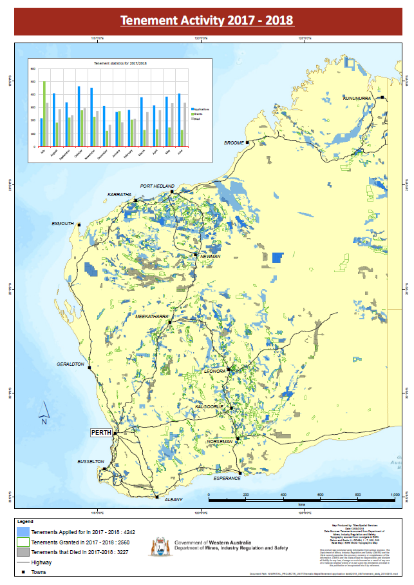
Tenement Activity 2017-18

 | 2017-18
 | Applied for | Granted | Died | Net
2017-07-01 | 220 | 504 | 337 | 167
2017-08-01 | 405 | 185 | 287 | -102
2017-09-01 | 350 | 223 | 242 | -19 | Tenement Activity 2017-18
2017-10-01 | 453 | 279 | 370 | -91
2017-11-01 | 361 | 243 | 274 | -31
2017-12-01 | 320 | 149 | 350 | -201
2018-01-01 | 255 | 248 | 188 | 60
2018-02-01 | 297 | 208 | 306 | -98
2018-03-01 | 334 | 128 | 266 | -138
2018-04-01 | 358 | 293 | 282 | 11
2018-05-01 | 384 | 260 | 334 | -74
2018-06-01 | 396 | 128 | 337 | -209
Tenement Activity 2017-18
 | 4,133 | 2,848 | 3,573 | -725

